Formula
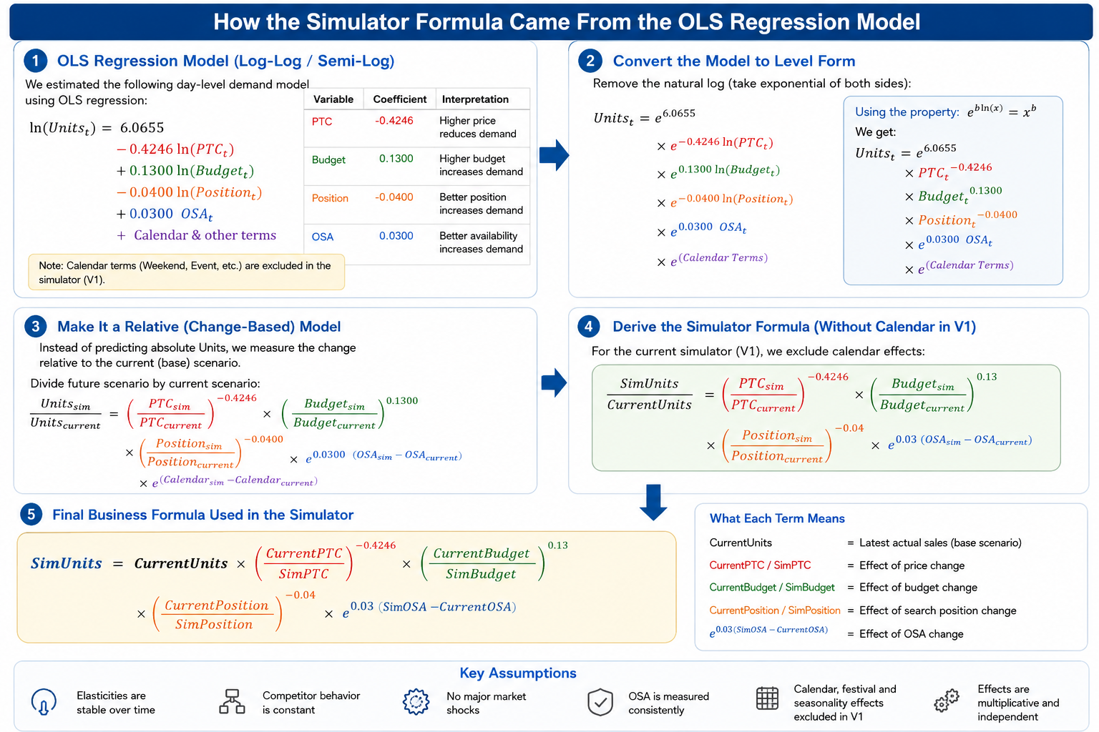
logy=alogx1+blogx2 | y | sim_vol | 1497
logy=log(x1^a*x2^b) | a | ptc_coeff | -0.42
y=x1^a*x2^b | b | budget_coeff | 0.7
y0= | c | osa coef | 0.1
 | d | postion_coeff | -0.1
 | x1 | ptc | 365
 | x2 | budget | 9000
 | x3 | osa | 0.5
 | x4 | position | 3.4

